Plat
PERHITUNGAN VOLUME PLAT

Pnjng lewatan atas | : | 15 | D |  | Over lap |  |  | : | 40 | mm
Pnjng lewatan bwh | : | 20 | D |  | Panjang tul. Datar kaki ayam |  |  | : | 300 | mm
Panjang kait | : | 12 | D |  | Selimut beton |  |  | : | 20 | mm
Tebal lantai kerja | : | 50 | mm

PLAT DENGAN TULANGAN MENERUS 2 ARAH

 |  |  |  |  | Tipe Plat |  |  | : | S1 = S2
 |  |  |  |  | Ukuran Modul Dominan |  | Sisi pendek (lx) | : | 3.00 | m
 |  |  |  |  |  |  | Sisi panjang (ly) | : | 3.00 | m
 |  |  |  |  |  |  | Tebal plat | : | 130 | mm

 |  |  |  |  | Tipe Tulangan | Diameter | Jarak | Jumlah | Overlap dan Kait | Panjang Tul. Total | Berat Tulangan per Diameter (kg) |  |  |  |  | Total
 |  |  |  |  |  | mm | mm | bh | m | m | 8 | 10 | 13 | 16 | 25 | kg
 |  |  |  |  | A | 10 | 200 | 16 | 0.13 | 3.13 | - | 30.83 | - | - | - | 30.83
 |  |  |  |  | B | 10 | 200 | 16 | 0.13 | 3.13 | - | 30.83 | - | - | - | 30.83
 |  |  |  |  | C | 10 | 200 | 16 | 0.13 | 3.13 | - | 30.83 | - | - | - | 30.83
 |  |  |  |  | D | 10 | 200 | 16 | 0.13 | 3.13 | - | 30.83 | - | - | - | 30.83

 |  |  |  |  | Kaki Ayam | 10 | 500 | 36 | 0.90 | 1.08 | - | 23.97 | - | - | - | 23.97

 |  |  |  |  | Berat Total Tulangan |  |  |  |  |  | - | 147.27 | - | - | - | 147.27
 |  |  |  |  | Volume Beton |  |  |  |  |  |  |  |  |  |  | 1.17
 |  |  |  |  | Rasio Tulangan per Diameter |  |  |  |  |  | - | 125.87 | - | - | - | 125.87

Keterangan Area yang Dihitung |  |  | Luas (m2) | Keliling (m) | Void |  | Luas Net (m2) | Vol. Beton (m3) | Vol. Bekisting |  | Vol. Besi per Diameter (kg) |  |  |  |  | Total Besi (kg)
 |  |  |  |  | Luas (m2) | Keliling (m) |  |  | Lantai Kerja (m3) | Kayu (m2) | 8 | 10 | 13 | 16 | 25

Lantai 1
Main building area; FFL +/-0.00 |  |  | 300.98 | 98.20 |  |  | 300.98 | 39.13 |  | 313.75 | - | 4,925.02 | - | - | - | 4,925.02

Lantai 2
Main building area; FFL +4.50 |  |  | 277.53 | 102.34 |  |  | 277.53 | 36.08 |  | 290.83 | - | 4,541.30 | - | - | - | 4,541.30

Lantai Attic
Main building area; FFL +9.00 |  |  | 179.26 | 86.00 |  |  | 179.26 | 23.30 |  | 190.44 | - | 2,933.28 | - | - | - | 2,933.28
Storage; FFL +9.00 |  |  | 12.56 | 14.25 |  |  | 12.56 | 1.63 |  | 14.41 | - | 205.52 | - | - | - | 205.52

 |  |  |  |  | Tipe Plat |  |  | : | S3 = S4
 |  |  |  |  | Ukuran Modul Dominan |  | Sisi pendek (lx) | : | 3.00 | m
 |  |  |  |  |  |  | Sisi panjang (ly) | : | 3.00 | m
 |  |  |  |  |  |  | Tebal plat | : | 150 | mm

 |  |  |  |  | Tipe Tulangan | Diameter | Jarak | Jumlah | Overlap dan Kait | Panjang Tul. Total | Berat Tulangan per Diameter (kg) |  |  |  |  | Total
 |  |  |  |  |  | mm | mm | bh | m | m | 8 | 10 | 13 | 16 | 25 | kg
 |  |  |  |  | A | 10 | 200 | 16 | 0.13 | 3.13 | - | 30.83 | - | - | - | 30.83
 |  |  |  |  | B | 10 | 200 | 16 | 0.13 | 3.13 | - | 30.83 | - | - | - | 30.83
 |  |  |  |  | C | 10 | 200 | 16 | 0.13 | 3.13 | - | 30.83 | - | - | - | 30.83
 |  |  |  |  | D | 10 | 200 | 16 | 0.13 | 3.13 | - | 30.83 | - | - | - | 30.83

 |  |  |  |  | Kaki Ayam | 10 | 500 | 36 | 0.90 | 1.12 | - | 24.86 | - | - | - | 24.86

 |  |  |  |  | Berat Total Tulangan |  |  |  |  |  | - | 148.16 | - | - | - | 148.16
 |  |  |  |  | Volume Beton |  |  |  |  |  |  |  |  |  |  | 1.35
 |  |  |  |  | Rasio Tulangan per Diameter |  |  |  |  |  | - | 109.75 | - | - | - | 109.75

Keterangan Area yang Dihitung |  |  | Luas (m2) | Keliling (m) | Void |  | Luas Net (m2) | Vol. Beton (m3) | Vol. Bekisting |  | Vol. Besi per Diameter (kg) |  |  |  |  | Total Besi (kg)
 |  |  |  |  | Luas (m2) | Keliling (m) |  |  | Lantai Kerja (m3) | Kayu (m2) | 8 | 10 | 13 | 16 | 25

Lantai Basement
Main building area; FFL -3.20 |  |  | 207.90 | 83.37 | 3.24 | 7.20 | 204.66 | 30.70 | 10.23 | 13.59 | - | 3,369.10 | - | - | - | 3,369.10
Maid laundry & driver room; FFL -3.20 |  |  | 22.40 | 25.89 |  |  | 22.40 | 3.36 | 1.12 | 3.88 | - | 368.75 | - | - | - | 368.75
Garage; FFL -3.27 |  |  | 184.48 | 64.66 |  |  | 184.48 | 27.67 | 9.22 | 9.70 | - | 3,036.90 | - | - | - | 3,036.90
Terrace; FFL -3.30 |  |  | 20.06 | 18.60 |  |  | 20.06 | 3.01 | 1.00 | 2.79 | - | 330.23 | - | - | - | 330.23
Carport; FFL -3.30 |  |  | 41.61 | 26.00 |  |  | 41.61 | 6.24 | 2.08 | 3.90 | - | 684.98 | - | - | - | 684.98
Plat dasar pond depan |  |  | 20.00 | 22.56 |  |  | 20.00 | 3.00 | 1.00 | 3.38 | - | 329.24 | - | - | - | 329.24

Lantai 1
Terrace; FFL -0.05 |  |  | 14.40 | 31.40 |  |  | 14.40 | 2.16 |  | 19.11 | - | 237.05 | - | - | - | 237.05
Garden; FFL -0.10 |  |  | 21.84 | 18.70 |  |  | 21.84 | 3.28 |  | 24.65 | - | 359.53 | - | - | - | 359.53
Deck; FFL -0.05 |  |  | 5.80 | 28.40 |  |  | 5.80 | 0.87 |  | 10.06 | - | 95.48 | - | - | - | 95.48
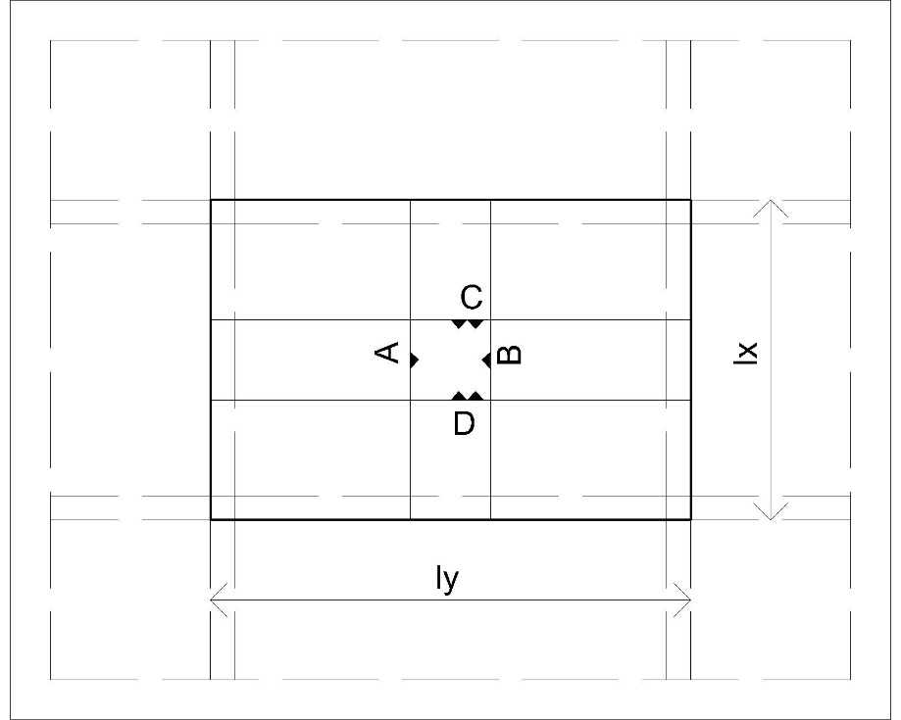
Reflecting pool; FFL -0.15 |  |  | 22.34 |  |  |  | 22.34 | 3.35 |  | 22.34 | - | 367.76 | - | - | - | 367.76
Talang kanopi depan |  |  | 43.26 | 26.35 | 21.63 | 18.68 | 21.63 | 3.24 |  | 28.38 | - | 356.07 | - | - | - | 356.07

Lantai 2
Dry garden; FFL +4.45 |  |  | 11.21 | 15.60 |  |  | 11.21 | 1.68 |  | 13.55 | - | 184.54 | - | - | - | 184.54
Master BR balcony; FFL +4.45 |  |  | 2.26 | 7.02 |  |  | 2.26 | 0.34 |  | 3.31 | - | 37.20 | - | - | - | 37.20
Children BR 2 balcony; FFL +4.45 |  |  | 1.39 | 6.11 |  |  | 1.39 | 0.21 |  | 2.31 | - | 22.88 | - | - | - | 22.88
Children BR 1 balcony; FFL +4.45 |  |  | 1.75 | 6.40 |  |  | 1.75 | 0.26 |  | 2.71 | - | 28.81 | - | - | - | 28.81
WIC balcony; FFL +4.45 |  |  | 1.75 | 6.40 |  |  | 1.75 | 0.26 |  | 2.71 | - | 28.81 | - | - | - | 28.81

Lantai Attic
Laundry; FFL +8.97 |  |  | 38.12 | 35.55 |  |  | 38.12 | 5.72 |  | 43.45 | - | 627.53 | - | - | - | 627.53
Terrace; FFL +8.95 |  |  | 5.95 | 12.84 |  |  | 5.95 | 0.89 |  | 7.88 | - | 97.95 | - | - | - | 97.95
Garden; FFL +8.90 |  |  | 17.84 | 17.75 |  |  | 17.84 | 2.68 |  | 20.50 | - | 293.68 | - | - | - | 293.68
Deck |  |  | 14.42 | 29.60 |  |  | 14.42 | 2.16 |  | 18.86 | - | 237.38 | - | - | - | 237.38
Deck; FFL +8.90 |  |  | 9.64 | 16.10 |  |  | 9.64 | 1.45 |  | 12.06 | - | 158.69 | - | - | - | 158.69
Audio & Entertainment Room deck |  |  | 20.55 | 30.40 |  |  | 20.55 | 3.08 |  | 25.11 | - | 338.29 | - | - | - | 338.29

Lantai Atap
Roof deck; FFL +12.50 |  |  | 190.28 | 73.69 | 95.01 | 54.20 | 95.27 | 14.29 |  | 114.45 | - | 1,568.33 | - | - | - | 1,568.33
Talang Audio Room; FFL +12.50 |  |  | 45.08 | 26.90 | 22.44 | 19.00 | 22.64 | 3.40 |  | 29.53 | - | 372.70 | - | - | - | 372.70
Atap lift; FFL +13.50 |  |  | 14.04 | 15.80 |  |  | 14.04 | 2.11 |  | 16.41 | - | 231.13 | - | - | - | 231.13

 |  |  |  |  | Tipe Plat |  |  | : | S3
 |  |  |  |  | Ukuran Modul Dominan |  | Sisi pendek (lx) | : | 0.70 | m
 |  |  |  |  |  |  | Sisi panjang (ly) | : | 2.40 | m
 |  |  |  |  |  |  | Tebal plat | : | 150 | mm

 |  |  |  |  | Tipe Tulangan | Diameter | Jarak | Jumlah | Overlap dan Kait | Panjang Tul. Total | Berat Tulangan per Diameter (kg) |  |  |  |  | Total
 |  |  |  |  |  | mm | mm | bh | m | m | 8 | 10 | 13 | 16 | 25 | kg
 |  |  |  |  | A | 10 | 200 | 13 | 0.40 | 1.10 | - | 8.82 | - | - | - | 8.82
 |  |  |  |  | B | 10 | 200 | 13 | 0.40 | 1.10 | - | 8.82 | - | - | - | 8.82
 |  |  |  |  | C | 10 | 200 | 5 | 0.10 | 2.50 | - | 7.71 | - | - | - | 7.71
 |  |  |  |  | D | 10 | 200 | 5 | 0.10 | 2.50 | - | 7.71 | - | - | - | 7.71

 |  |  |  |  | Kaki Ayam | 10 | 500 | 5 | 0.90 | 1.12 | - | 3.45 | - | - | - | 3.45

 |  |  |  |  | Berat Total Tulangan |  |  |  |  |  | - | 36.50 | - | - | - | 36.50
 |  |  |  |  | Volume Beton |  |  |  |  |  |  |  |  |  |  | 0.25
 |  |  |  |  | Rasio Tulangan per Diameter |  |  |  |  |  | - | 144.83 | - | - | - | 144.83

Keterangan Area yang Dihitung |  |  | Luas (m2) | Keliling (m) | Void |  | Luas Net (m2) | Vol. Beton (m3) | Vol. Bekisting |  | Vol. Besi per Diameter (kg) |  |  |  |  | Total Besi (kg)
 |  |  |  |  | Luas (m2) | Keliling (m) |  |  | Lantai Kerja (m3) | Kayu (m2) | 8 | 10 | 13 | 16 | 25

Lantai Atap
Topian opening Audio Room |  |  | 1.67 | 6.13 |  |  | 1.67 | 0.25 |  | 2.59 | - | 36.28 | - | - | - | 36.28
Topian opening Entertainment Room |  |  | 1.71 | 6.23 |  |  | 1.71 | 0.26 |  | 2.64 | - | 37.15 | - | - | - | 37.15
Topian opening Garden |  |  | 1.06 | 4.65 |  |  | 1.06 | 0.16 |  | 1.76 | - | 23.03 | - | - | - | 23.03

VOLUME TOTAL |  |  |  |  |  |  |  | 226.22 | 24.66 | 1,271.04 | - | 26,464.57 | - | - | - | 26,464.57
 |  |  |  |  |  |  |  |  |  |  |  |  |  |  | rasio | 116.99

